Seed NumberWeight Trial
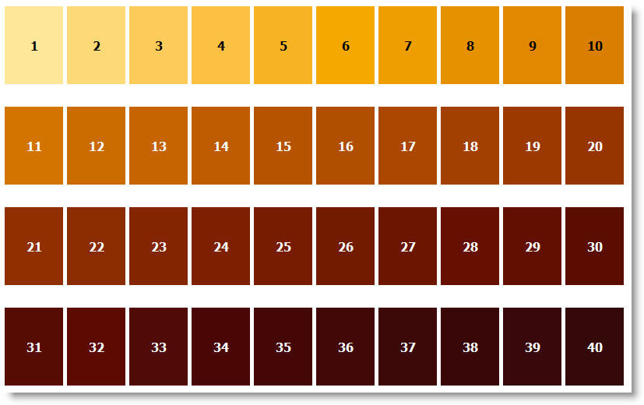
 | Population | Plant # | Seed count | Seed weight (g) | Counter | Date | Distance from urban center | Plant >3 m from other plants at site? | Seed colors (predominant)
ex. | MW089 | 1 | 88 | 2.059 | Sophie | 2010-01-19 | 5.1 | N | 30 |  | 1-20 may be underripe; 21-40 probably ripe
1 | MW061 | 1 | 204 |  | Eliza | 2010-01-19 | 11.33 | Y | 34
2 | MW061 | 2 | 205 |  | Eliza | 2010-01-19 | 11.33 | Y | 29
3 | MW061 | 3 | 258 |  | Eliza | 2010-01-19 | 11.33 | Y | 34
4 | MW061 | 4 | 200 |  | Eliza | 2010-01-19 | 11.33 | Y | 36
5 | MW061 | 5 | 243 |  | Eliza | 2010-01-19 | 11.33 | Y | 36
6 | MW039 | 1 | 206 |  | Sophie | 2010-01-19 | 9.6 | Y | forgot
7 | MW039 | 2 | 202 |  | Sophie | 2010-01-19 | 9.6 | Y | forgot
8 | MW036 | 1 | 159 |  | Sophie | 2010-01-19 | 40.78 | Y | 26
9 | MW036 | 2 | 178 |  | Sophie | 2010-01-19 | 40.78 | Y | 35
10 | MW036 | 3 | 178 |  | Sophie | 2010-01-19 | 40.78 | Y | 15 w/ undersides ~2 (moderately underripe)
11 | MW036 | 4 | 162 |  | Sophie | 2010-01-19 | 40.78 | Y | 28
12 | MW036 | 5 | 240 |  | Sophie | 2010-01-19 | 40.78 | Y | 28 w/ undersides ~ 4 (just a bit underripe)
13 | MW056 | 1 | 236 |  | Eliza | 2010-01-19 | 3.72 | Y | 37
14 | MW056 | 2 | 280 |  | Eliza | 2010-01-19 | 3.72 | Y | 22
15 | MW056 | 3 | 246 |  | Eliza | 2010-01-19 | 3.72 | Y | 25
16 | MW056 | 4 | 221 |  | Eliza | 2010-01-19 | 3.72 | Y | 37
17 | MW056 | 5 | 170 |  | Eliza | 2010-01-19 | 3.72 | Y | 26
18 | MW007 | 1 | 167 |  | Eliza | 2010-03-19 | 30.32 | Y | 18
19 | MW007 | 2 | 159 |  | Eliza | 2010-03-19 | 30.32 | Y | 40 some, 1 some
20 | MW007 | 3 | 214 |  | Eliza | 2010-03-19 | 30.32 | Y | 22
21 | MW007 | 4 | 246 |  | Eliza | 2010-03-19 | 30.32 | Y | 16
22 | MW007 | 5 | 166 |  | Eliza | 2010-03-19 | 30.32 | Y | 27
23 | MW012 | 1 |  |  |  |  | 15.68 | Y
24 | MW012 | 2 |  |  |  |  | 15.68 | Y
25 | MW012 | 3 |  |  |  |  | 15.68 | Y
26 | MW012 | 4 |  |  |  |  | 15.68 | Y
27 | MW012 | 5 |  |  |  |  | 15.68 | Y
28 | MW014 | 1 | 123 |  | Eliza | 2010-03-19 | 7.05 | Y | 35
29 | MW014 | 2 | 199 |  | Eliza | 2010-03-19 | 7.05 | Y | 26
30 | MW014 | 3 | 254 |  | Eliza | 2010-03-19 | 7.05 | Y | 17
31 | MW014 | 4 | 208 |  | Eliza | 2010-03-19 | 7.05 | Y | 22
32 | MW014 | 5 | 164 |  | Eliza | 2010-03-19 | 7.05 | Y | 12
33 | MW079 | 1 | 240 |  | Eliza | 2010-03-19 | 10.82 | N | 21 | 10.82 km is an estimate; new site at Hurontario x Brunel because original site is under construction now.

11.33 | 204
11.33 | 205
11.33 | 258
11.33 | 200
11.33 | 243
9.6 | 206
9.6 | 202
40.78 | 159
40.78 | 178
40.78 | 178
40.78 | 162
40.78 | 240
3.72 | 236
3.72 | 280
3.72 | 246
3.72 | 221
3.72 | 170
30.32 | 167
30.32 | 159
30.32 | 214
30.32 | 246
30.32 | 166
15.68
15.68
15.68
15.68
15.68
7.05 | 123
7.05 | 199
7.05 | 254
7.05 | 208
7.05 | 164
10.82 | 240

